Vision
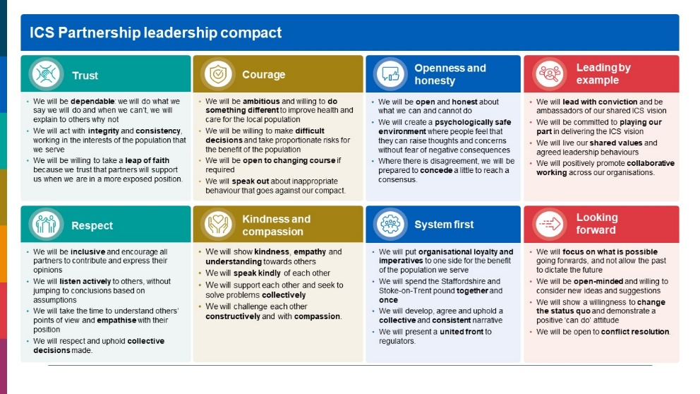
 | Vision

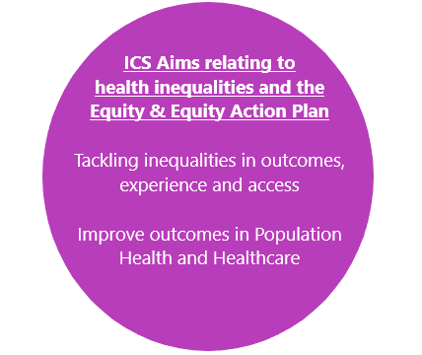
 | Overall Vision | Staffordshire and Stoke on Trent ICB's vision is to reduce inequalities and to achieve the best in health, care and wellbeing for everyone in Staffordshire and Stoke-on-Trent. For this maternity and neonatal services within Staffordshire and Stoke-on-Trent will need to respond to each persons unique health and social situation, so that care is safe and personal for all.
 | 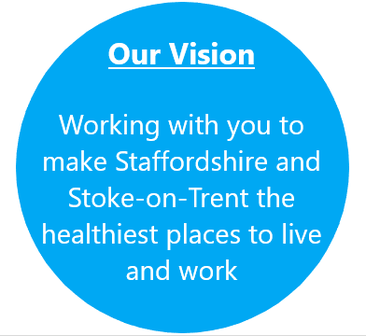

Co-Production
Co-Production & Engagement

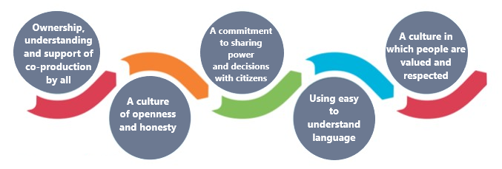

 | Low Impact |  | High Impact
High Power | Listening to and seeking out the voices of women , families and carers using maternity services, including seldom heard groups |  | Co production projects . Doing with in an equal and reciprocal partnership

Low Power | Facilitate better representation and involvement and participation within workstreams and priority groups |  | Engagement , consultation and informing - actively engaging with the local community and those with lived experience , to deliver services that are informed by what women and their families say they need from their care

Consider existing relationships or projects involving co-production, and how these might link to your equity aims |  | Project |  | Relevance to equity aims | Contact | Next Steps
 |  | Local patient group supporting re-writing patient information leaflets |  | Support with producing new literature needed to promote equity aims | Jen Docherty MNVP chair | Meet group lead to discuss
 |  | Increase Diversity with MNVP membership |  | Ensures the voices that the MNVP hear are representative of the entire community | Jen Docherty MNVP chair | Continue reaching out to all local groups
 |  | Linking in with community groups that already have established links with the local diverse community, such as Stoke City FC, Port Vale FC, Regufee Action, Spring Housing |  | Ensures the voices that the MNVP hear are representative of the entire community | Jen Docherty MNVP chair | Regular contact with links and development of collabrative engagement events
 |  | Continue to be part of the Tobacco dependecy Steering group and PPHS steering group |  | Ensures the voices that the MNVP hear are representative of the entire community | Jen Docherty MNVP chair | Regular contact with project team
 |  | Feedback questionniare devloped by our MNVP |  | Ensures the voices that the MNVP hear are representative of the entire community | Jen Docherty MNVP chair | How that feedback makes a difference- working with UHNM

Plan how the actions you identified in the detailed action plan will be meaningfully co-produced |  | Action |  | Opportunities for co-production | Lead | Resources/support needed | Next steps
 |  | Production of leaflets outlining equity strategy |  | Work with UHNM to design content and ensure diversity of images | Jen Docherty MNVP chair | Data on local population groups, support from parent group lead and MVPs. | organise co production meeting with key stakeholders
 |  | Listening events for Women of Staffordshire and Stoke on Trent |  | Coproduce event | Lead midwife for the LMNS and MNVP chair | Funding - including within spending plan | Ask women where they would like it to be held
 |  | Production of patient information leaflets for IOL |  | Work with UHNM to design content and ensure diversity of images, inclusive language and avalible in top 5 languages | Lead midwife for the LMNS and MNVP chair | Allocated resource and time

Communication Plan
 |  |  | 
Local Maternity and Neonatal Services Equity and Equality
Communications and Engagement Plan

Background
The government’s national maternity strategy
The government’s national maternity strategy sets out an ambition by 2025 to halve the rate of stillbirths, neonatal and maternity deaths, during or soon after birth, and to reduce the rate of preterm births. As health inequalities increase, Staffordshire and Stoke-on-Trent's maternity and neonatal services will need to respond to each person’s unique health and social situation.

The NHS has five priorities to improve equity for mothers and babies and race equality for NHS staff in England:
 | 1. restore NHS services inclusively
 | 2. mitigate against digital exclusion
 | 3. ensure datasets are complete and timely
 | 4. accelerate preventative programmes to engage those at greater risk of poor health outcomes
 | 5. strengthen leadership and accountability.

Good health in pregnancy influences the baby’s development in the womb and in turn influences long-term health and education outcomes. The NHS has therefore set out two aims for maternity and neonatal care:
 | · to improve equity for mothers and babies from Black, Asian and Mixed ethnic groups and those living in the most deprived areas
 | · to improve equality in experience for staff from minority ethnic groups.

This communications and engagement plan has been developed to support the Local Maternity and Neonatal Services team and sets out how the Communications and Engagement team will support the achievement of the priorities set out in the Equity and Equality plan to help Staffordshire and Stoke-on-Trent ICS deliver the identified aims for maternity and neonatal care.

Aims

The aims of this Communications and Engagement Plan are to:
 | · establish who our key stakeholders are and the best channels to communicate and engage with them
 | · identify any communications risks and seek to address them
 | · identify key audiences and appropriate level of engagement

Key Messages

 | · Local Maternity Systems and others have roles to play in reassuring both pregnant women and staff by giving them the confidence and resources to raise concerns, discuss support options and make all necessary decisions about maternity care.
 | · We need to further understand the local population’s maternal and perinatal health needs by reviewing new and local data
 | · Develop co-production events
 | · Acknowledge concerns and provide reassurance for BAME pregnant women

Stakeholders

Key stakeholders include:
 | Staffordshire and Stoke-on-Trent Integrated Care System partners
 | Maternity and Neo-natal Voices Partnership
 | Staffordshire County Council
 | Stoke-on-Trent City Council
 | The Royal Wolverhampton NHS Trust
 | University Hospitals North Midlands NHS Trust
 | Midlands Partnership NHS Foundation Trust
 | University Hospitals of Derby and Burton NHS Foundation Trust
 | North Staffordshire Combined Healthcare NHS Trust
 | West Midlands Ambulance Service University NHS Foundation Trust
 | NHS England and NHS Improvement
 | Healthwatch Staffordshire
 | Healthwatch Stoke-on-Trent
 | Support Staffordshire
 | VAST
 | General practice
 | Primary Care Networks / GPs

Recommendations
Channels

To support the implementation of the Equity and Equality plan, the following channels can be used:
 | Internal newsletters
 | Staff intranet pages
 | Bulletin boards
 | Media
 | Social media
 | Leaflets
 | Surveys
 | Focus groups

Resources

To support the implementation of the Equity and Equality plan, the following resources can be developed to aid the project:
 | Toolkits
 | Newsletter copy
 | Web copy
 | Press releases
 | Posters
 | Leaflets

Based on the priorities the Communications and Engagement team will:
 | attend regular meetings with the LMNS team to advise on content
 | work with MNVP lead to develop materials to encourage more Maternity Champions from a diverse background which can be achieved via targeted campaigns
 | use local and new data to understand the audience so targeted communications can be produced
 | assess what materials we currently have and how these can be adapted to support the new prioritiesas previously mentioned. We also need to consider whether these materials need to be translated or whether we need non-digital versions to overcome barriers with access
 | develop a staff survey on ethnicity and experience of maternity and neonatal staff. This information will help us to develop the right support for staff.

Risks and Mitigation
Potential risks |  | Mitigations
Reaching seldom-heard groups |  | Perceived or actual challenges with reaching seldom-heard groups can be supported by working with partners to identify potential networks and community groups.
Staff may not want to participate in a survey |  | Survey apathy can be mitigated by encouraging staff to participate in the survey by regular communications and assuring that information is anonymous. Surveys can be short to minimise demand on staff time, while ensuring the relevant information is captured through responses
May not meet target audience |  | Responses will be analysed to understand demographics of participants to and adjust the activity accordingly. Toolkits developed will include messages tailored to target specific communities across online and offline channels. .

Appendix 1
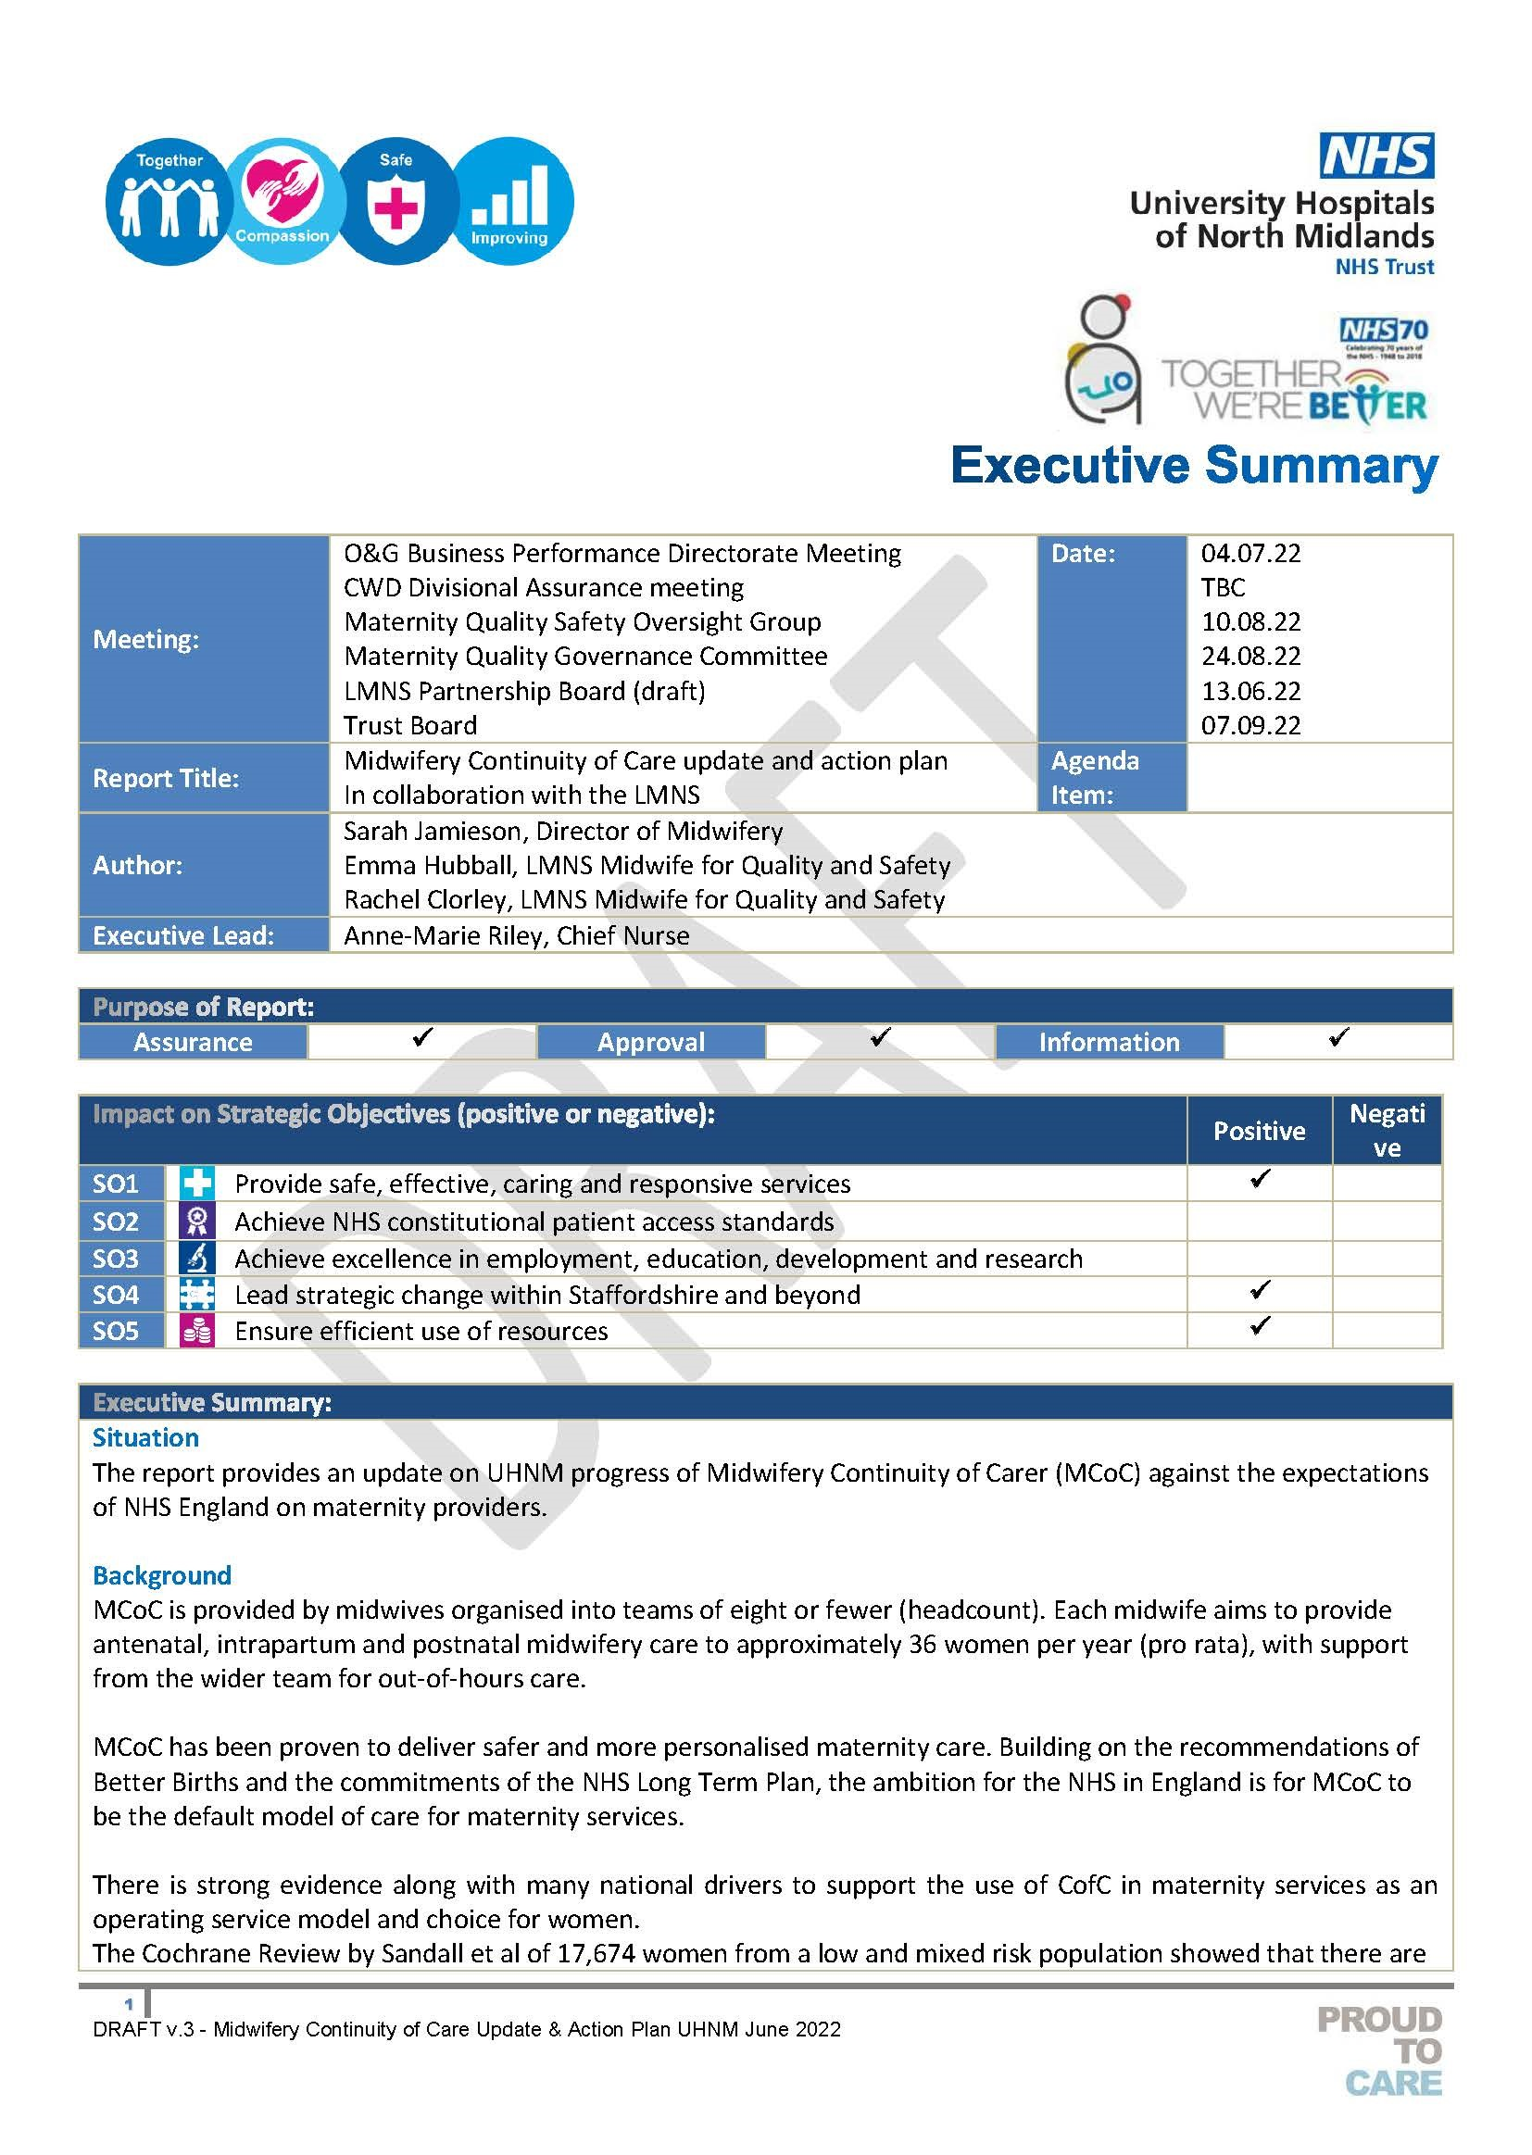

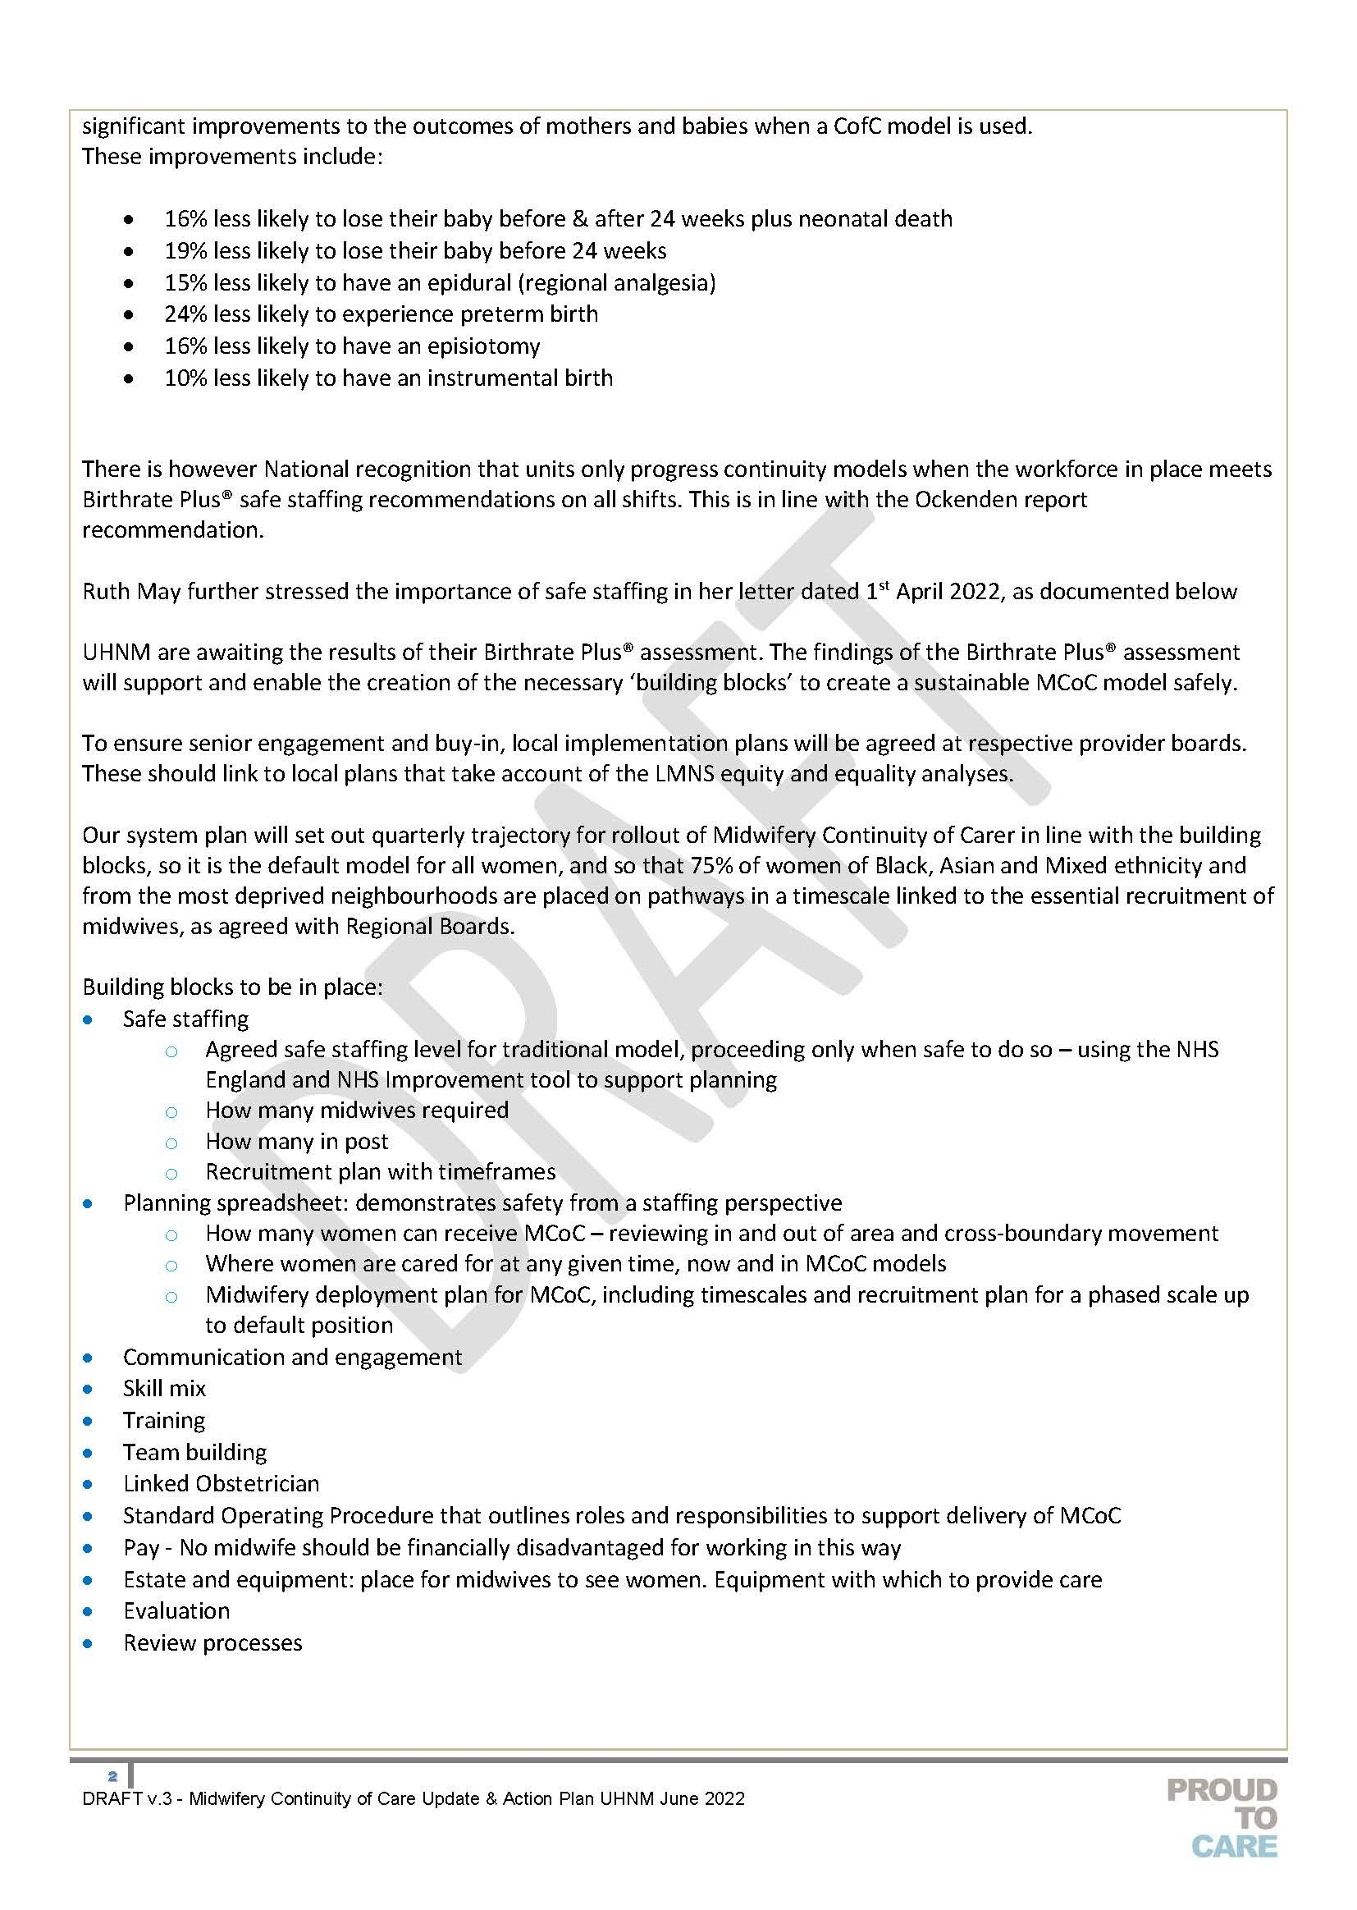

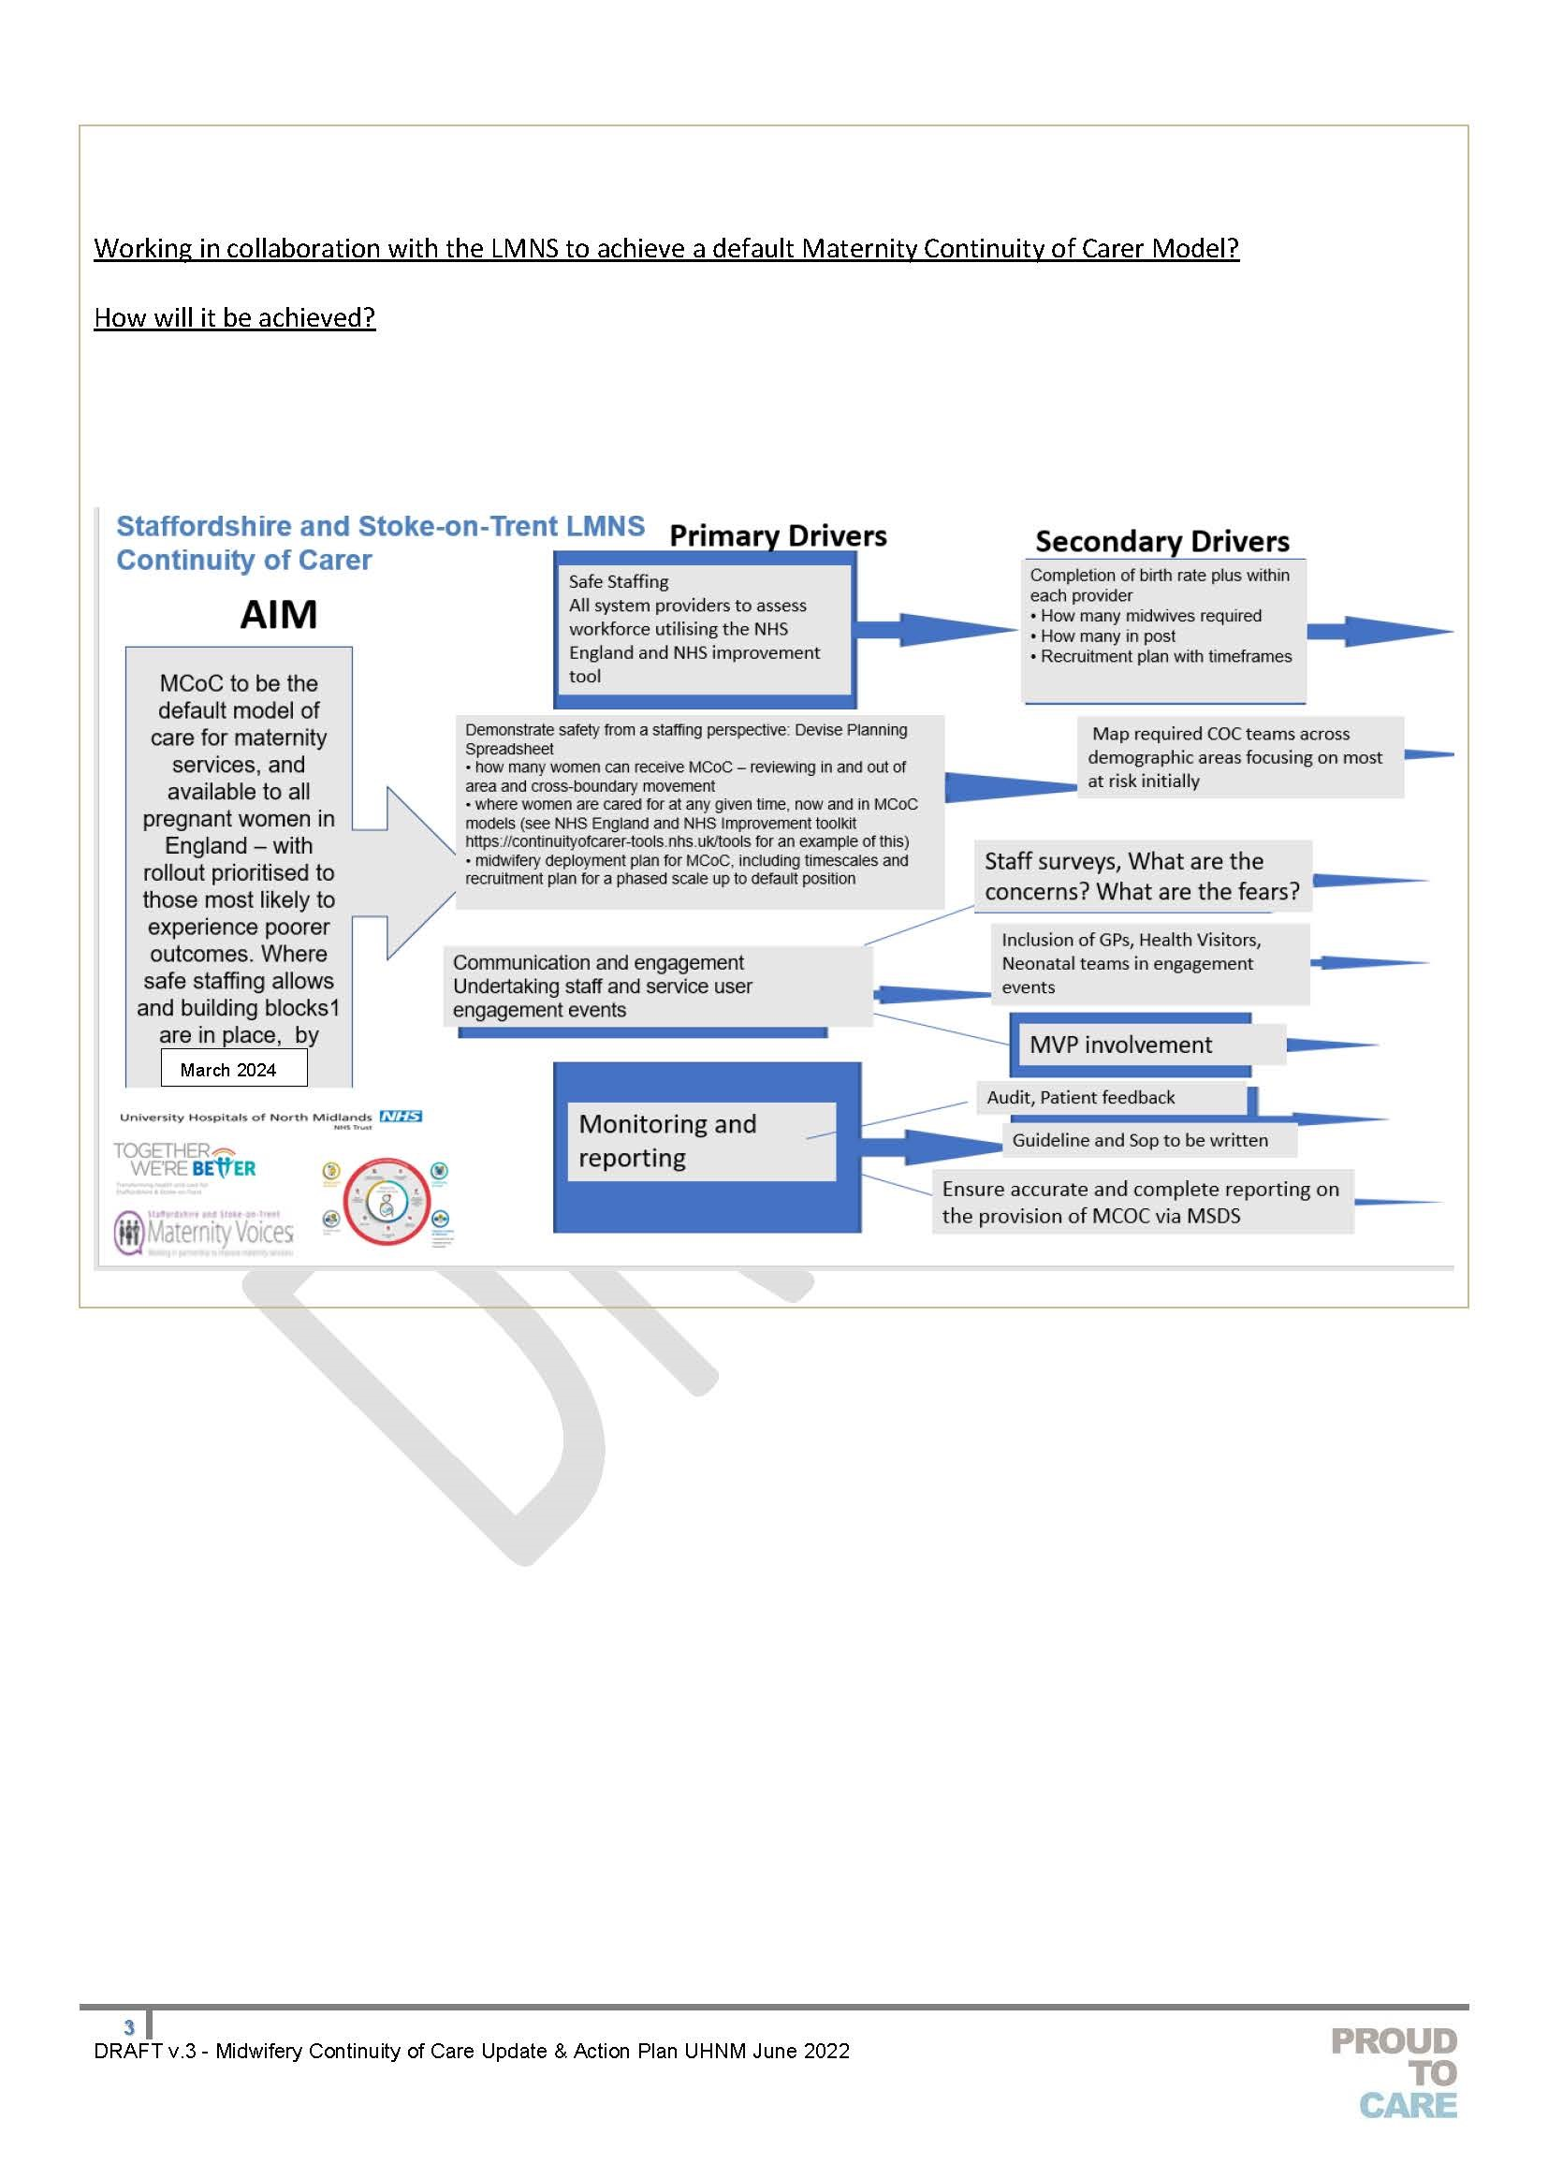

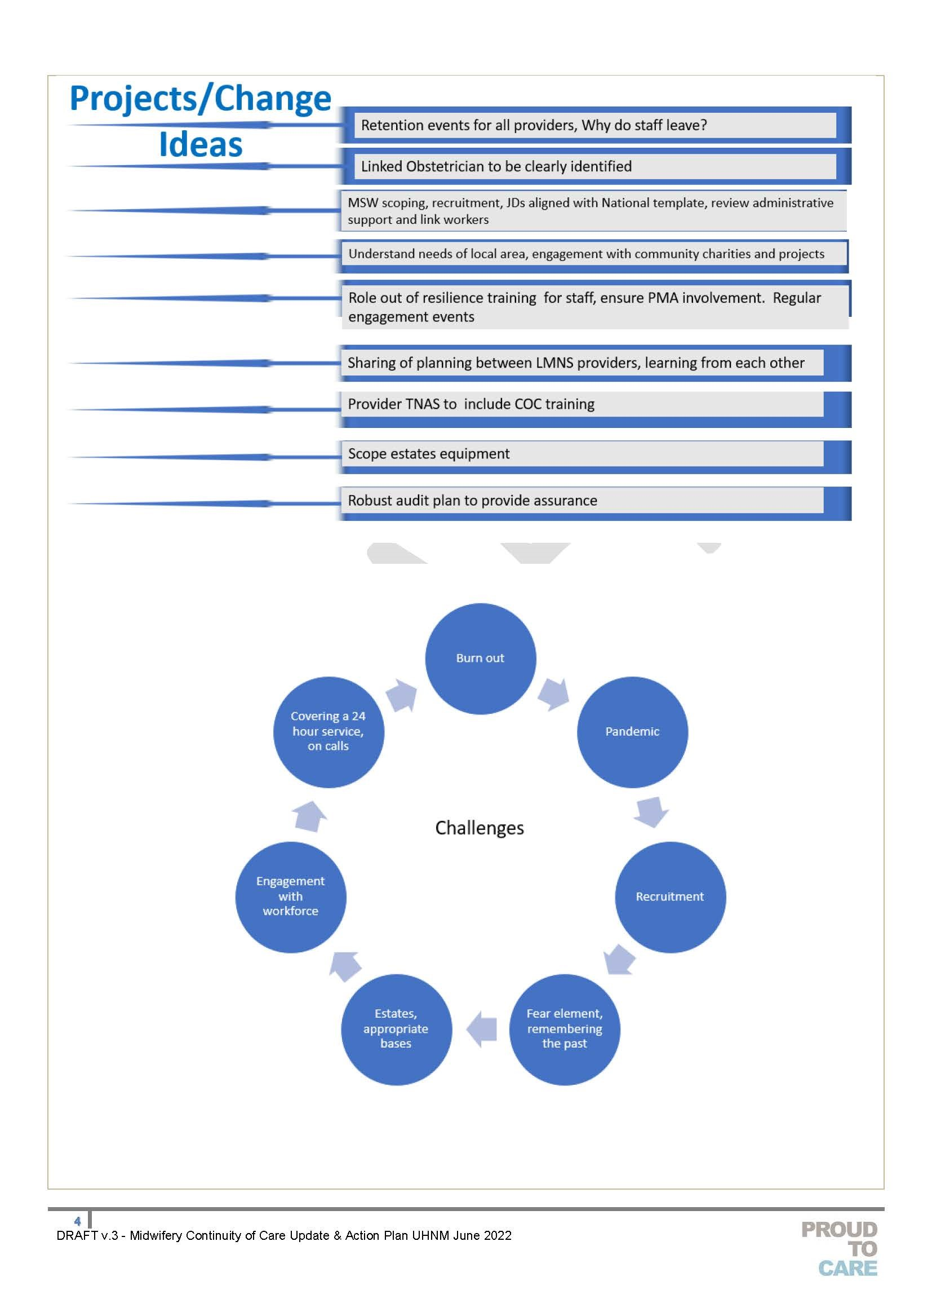

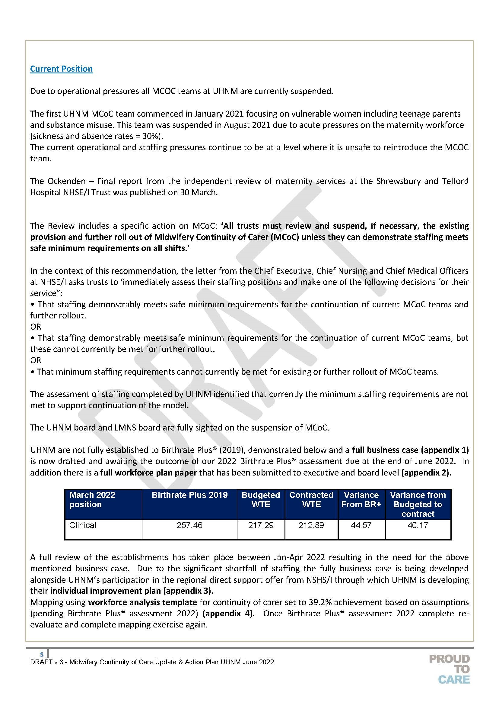

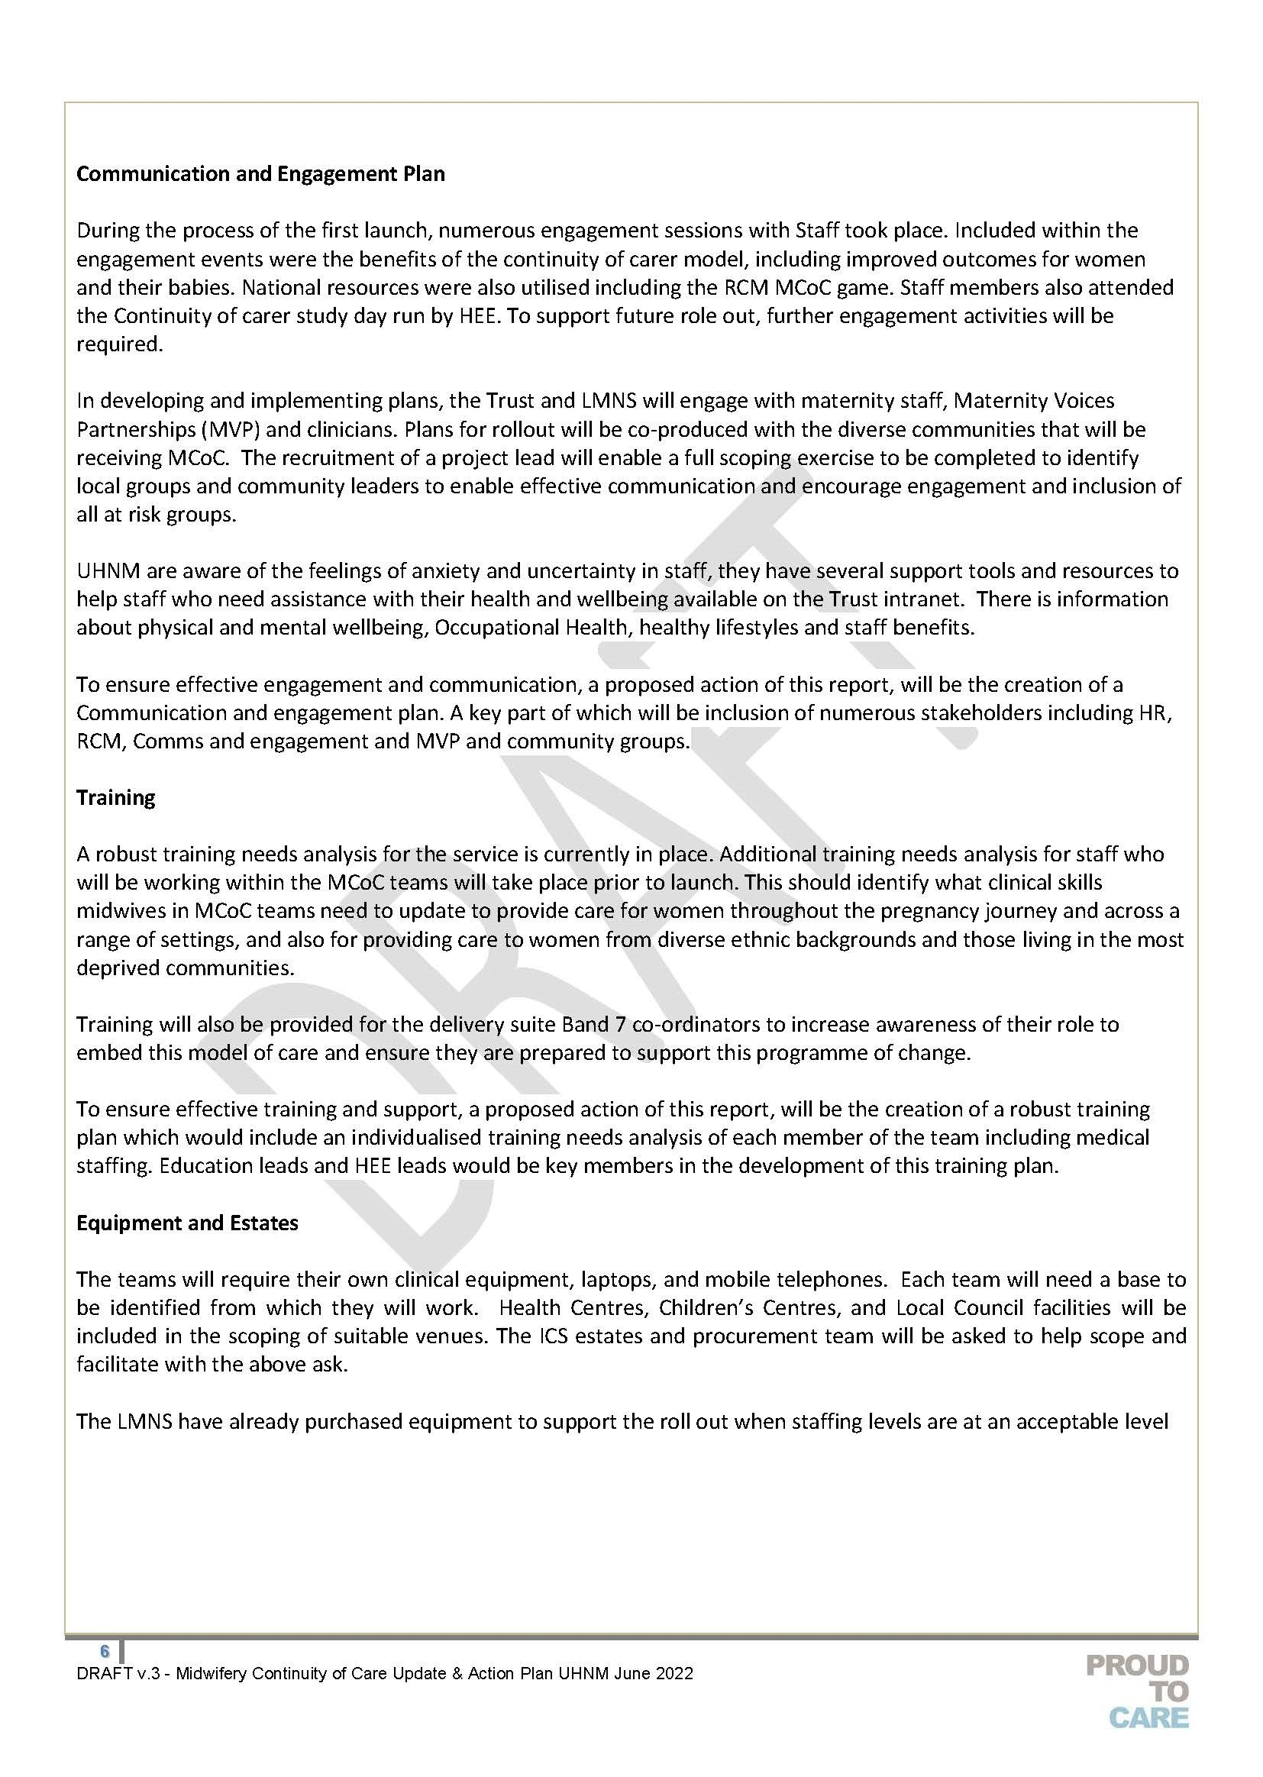

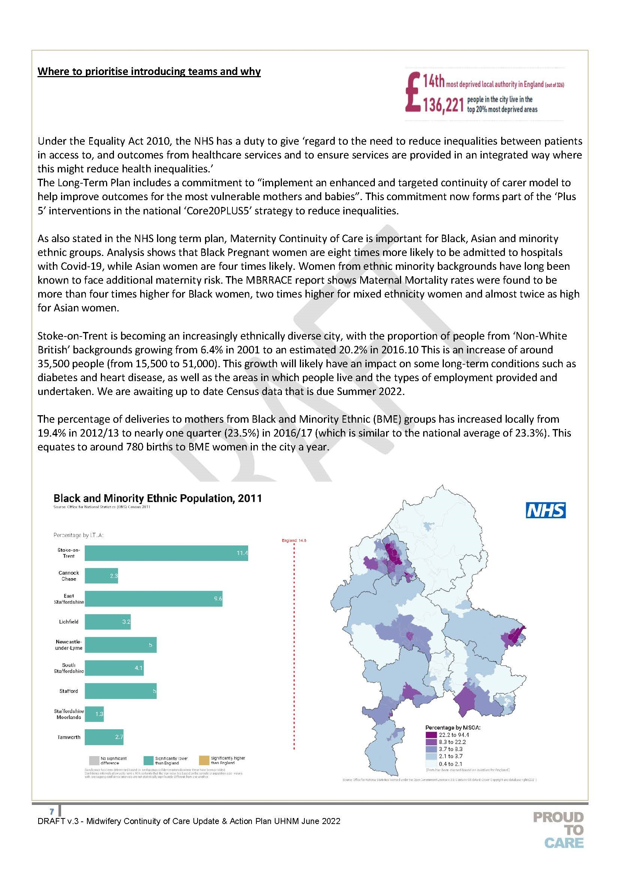

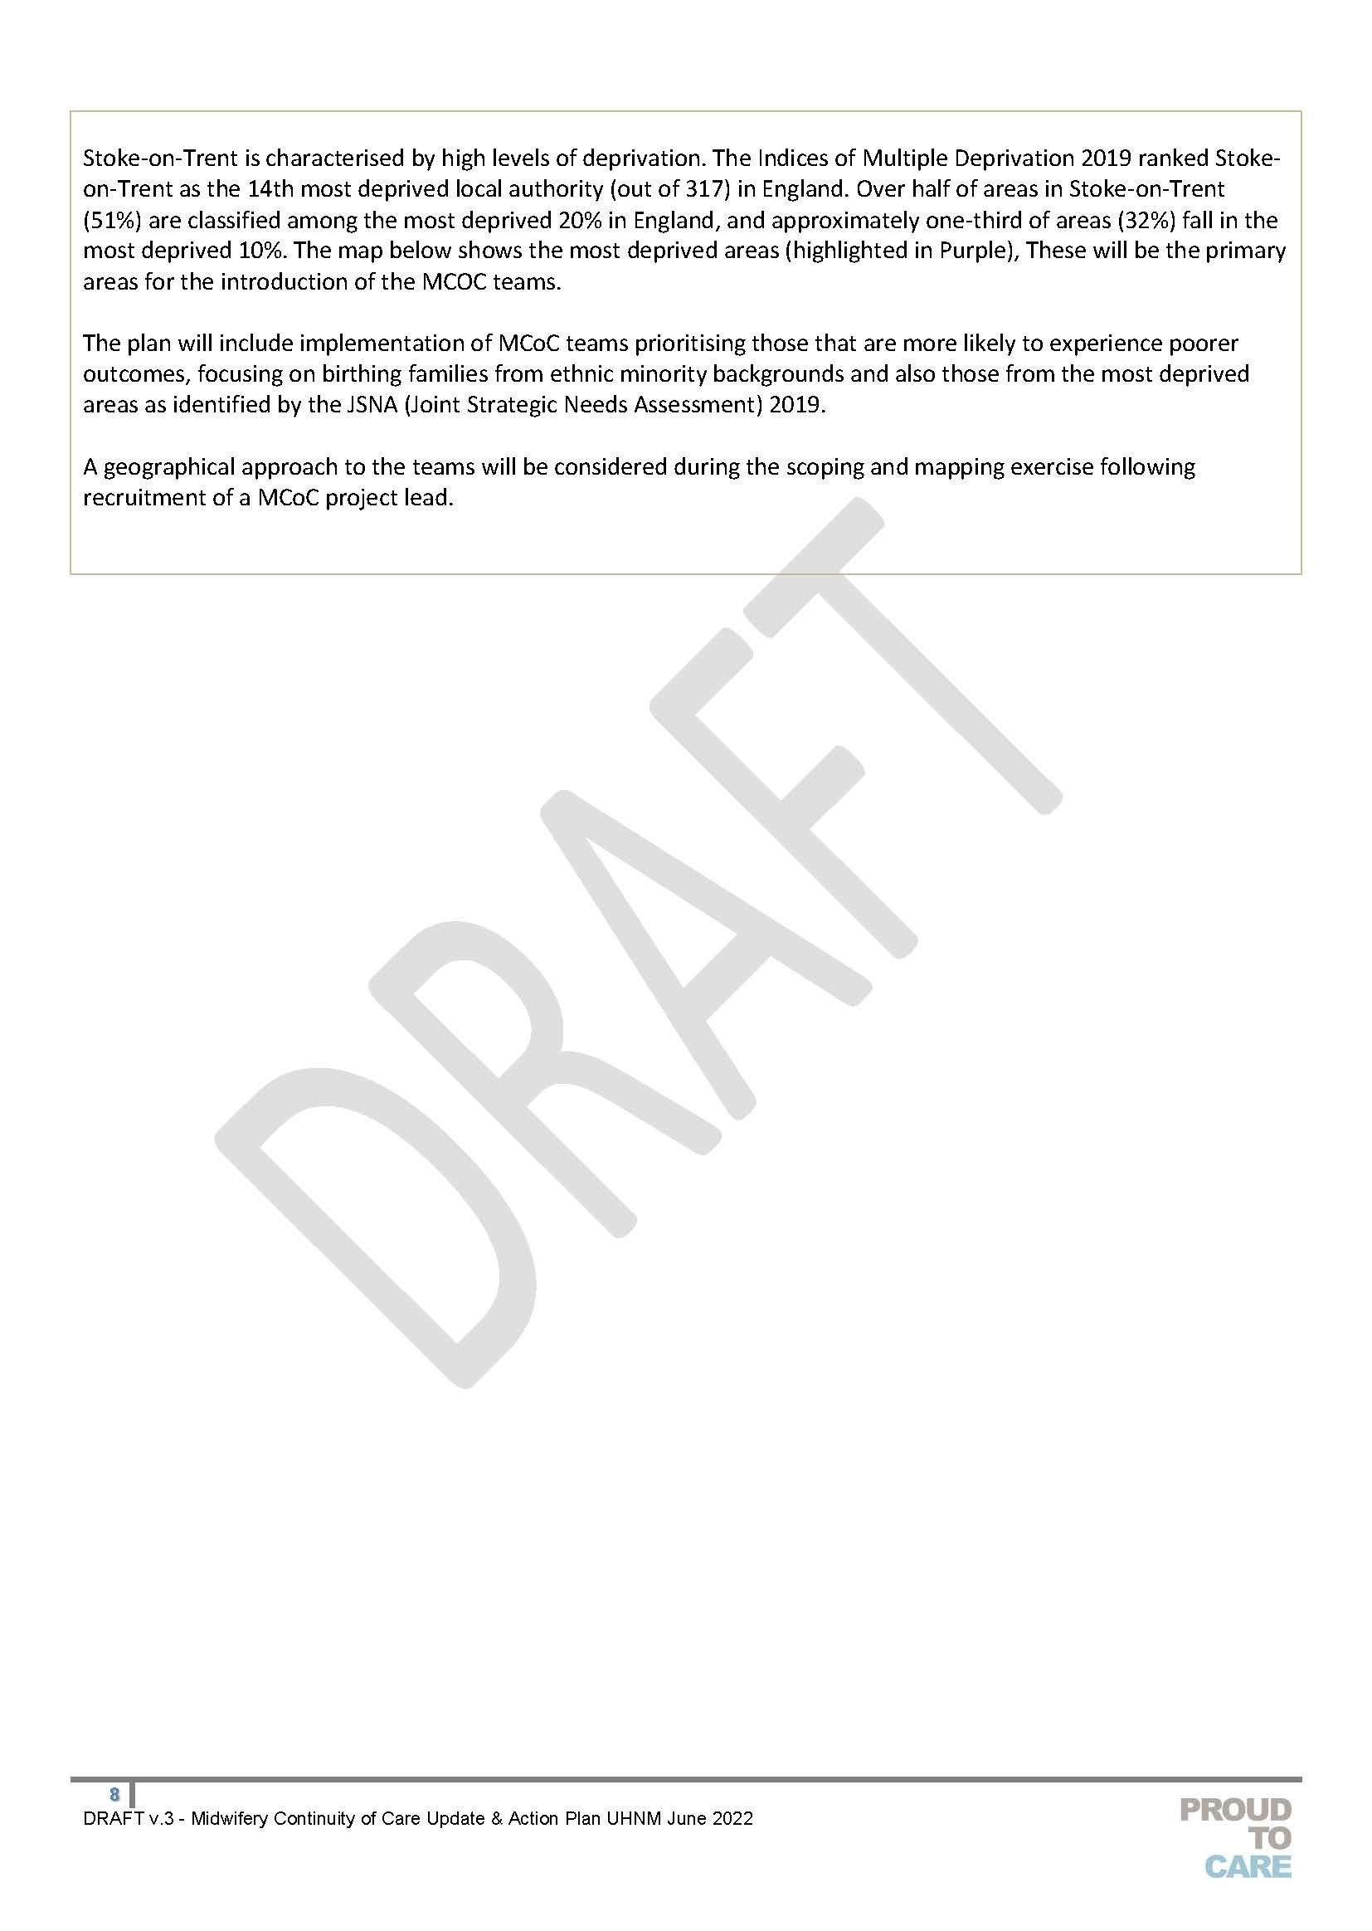

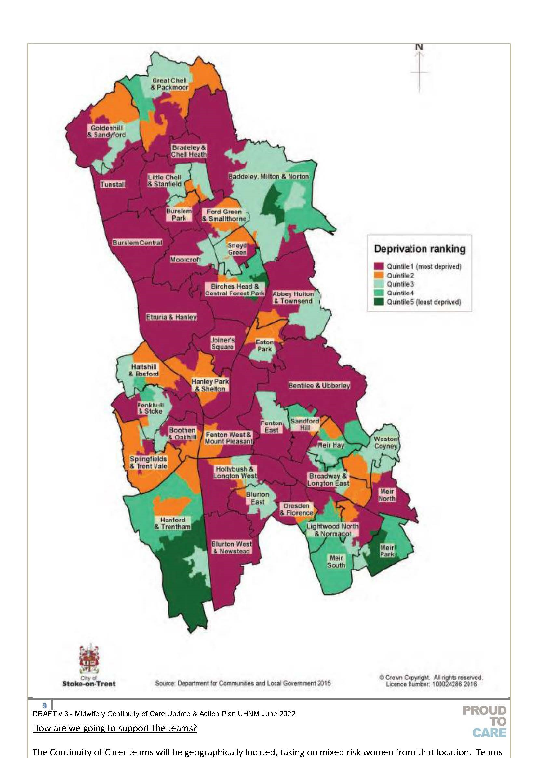

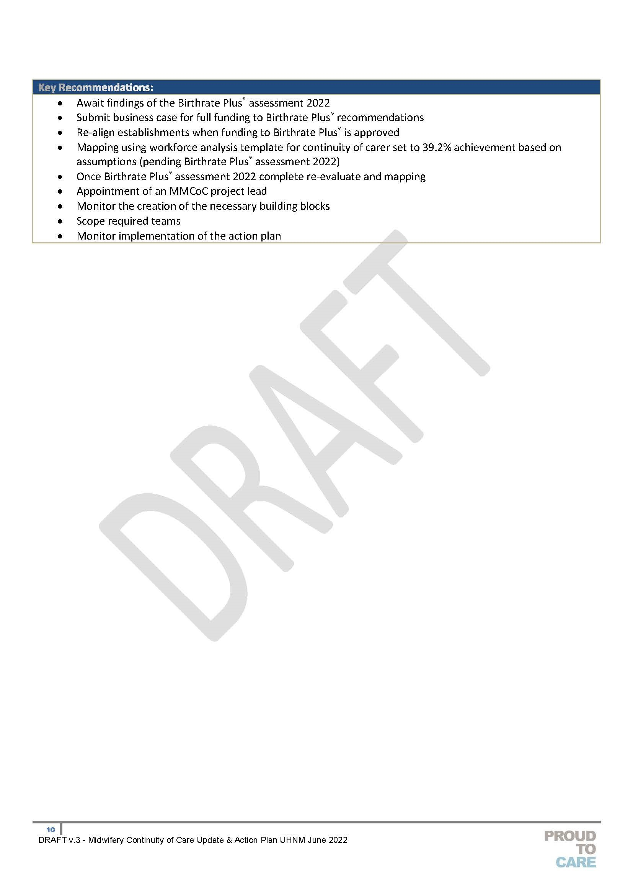

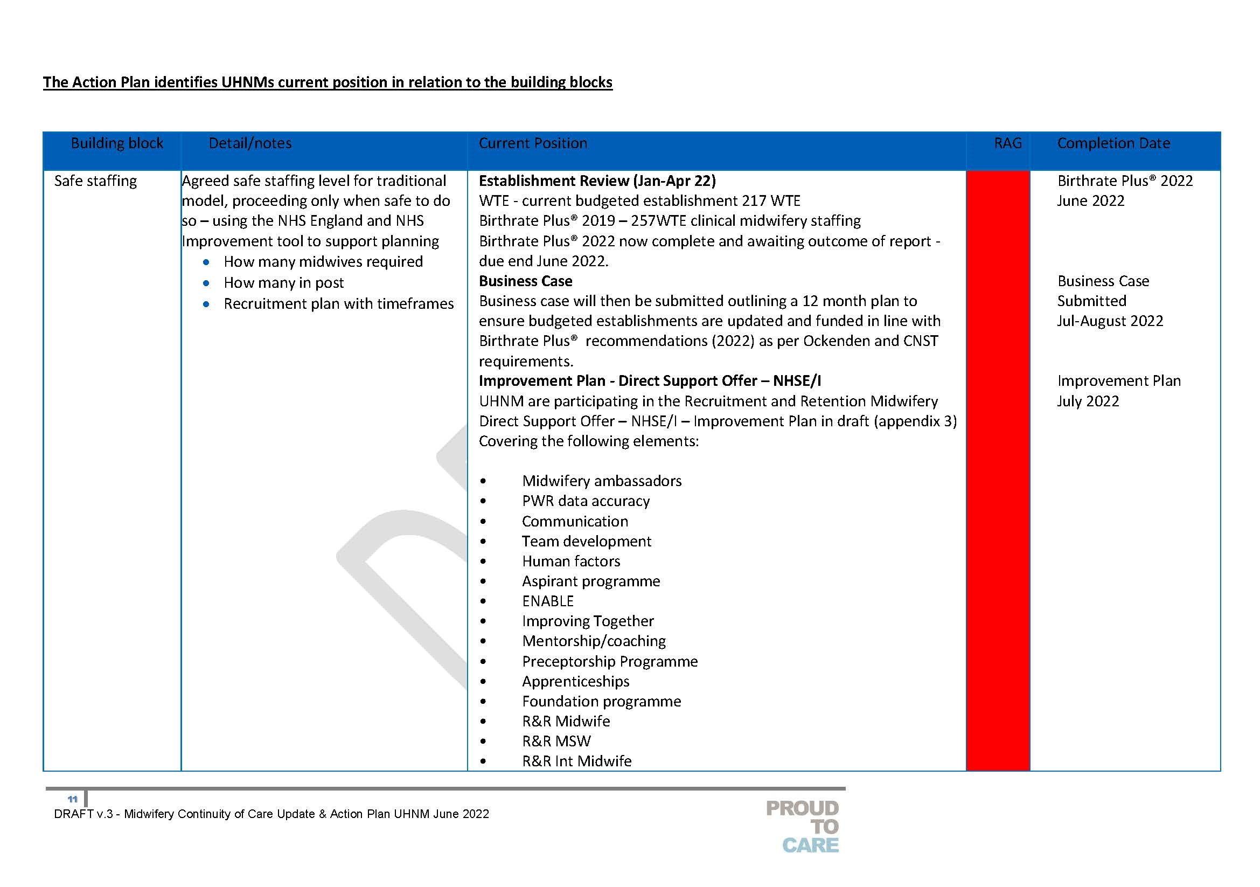

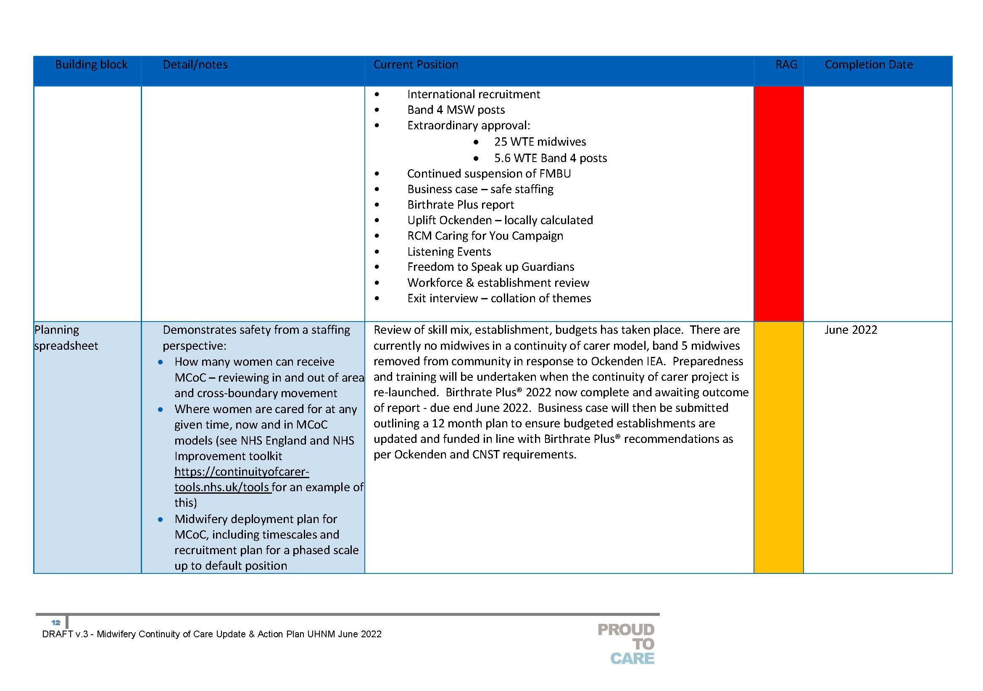

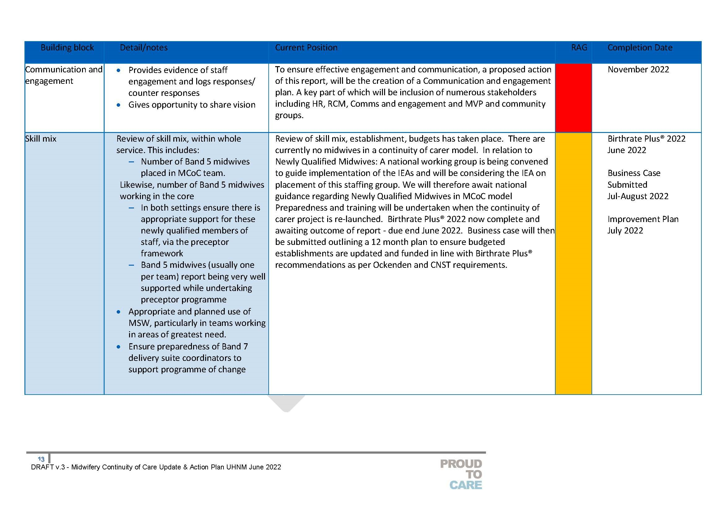

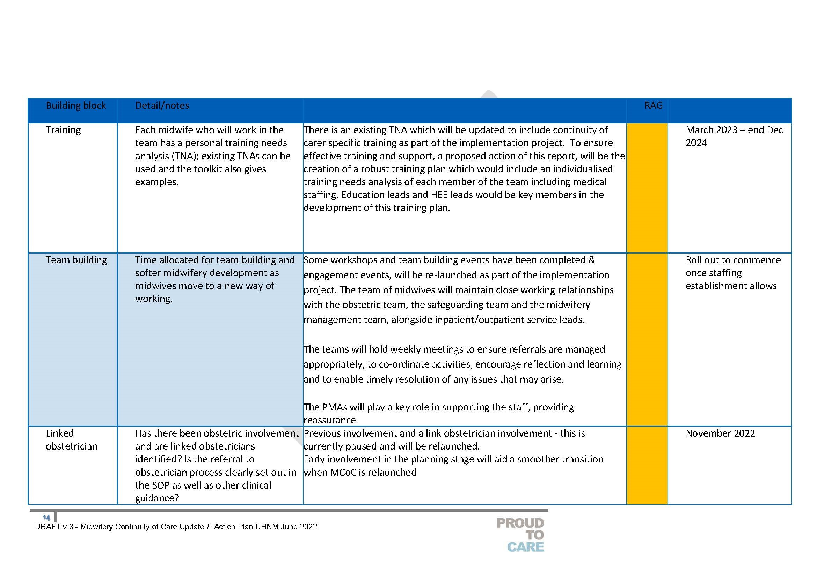

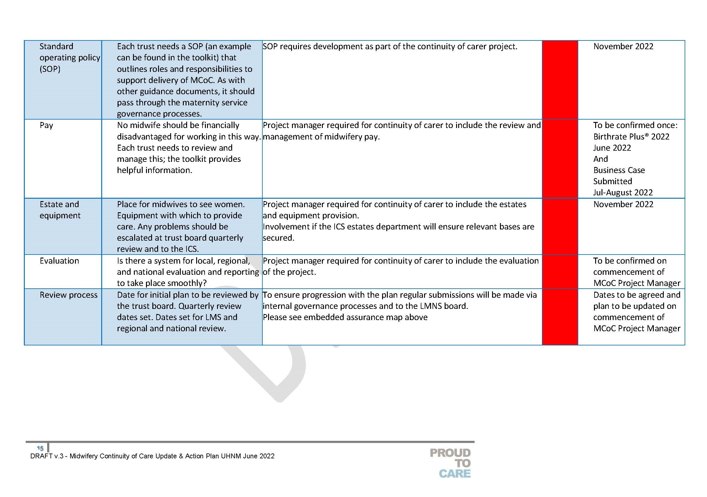

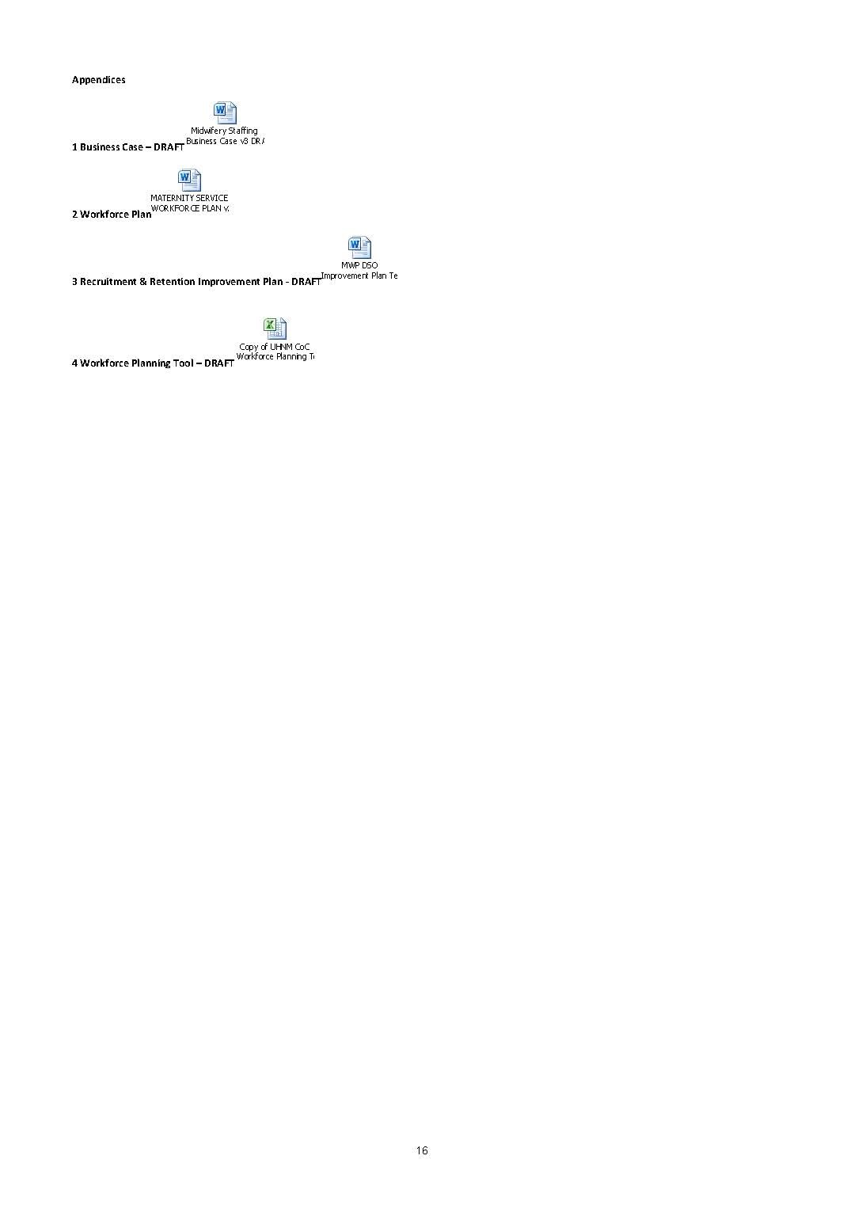

Appendix 2
